Requirements
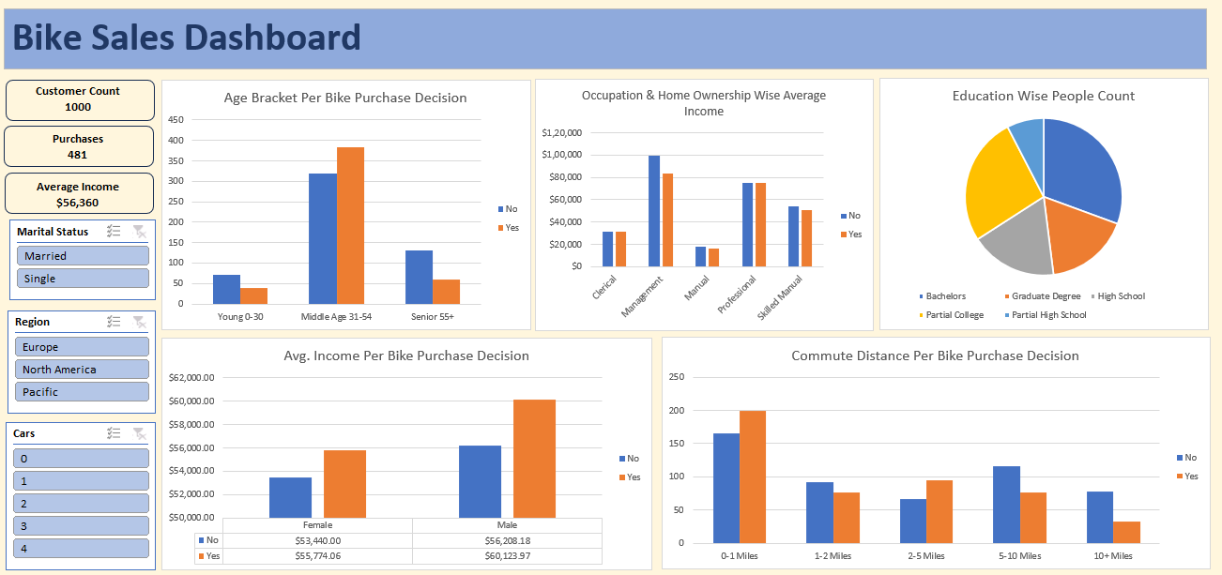

Project 3 - Bike Users Data

 | 1. Clean the data. Check for duplicate rows in the data.

 | 2. Pivot Insights
 | Generate following insights using pivot tables:
 | a) Gender wise Avg. Income Per Bike Purchase Decision.
 | b) Commute Distance Per Bike Purchase Decision.
 | c) Age Bracket Per Bike Purchase Decision.
 | d) Occupation & Home Ownership Wise Average Income.
 | e) People Count based on Education.

 | 3. Create a dashboard. Refer to the image of expected dashboard.

Dashboard
Bike Sales Dashboard

Age Bracket Per Bike Purchase Decision
 | No | Yes
Young 0-30 | 21 | 8
Middle Age 31-54 | 48 | 65
Senior 55+ | 10 | 2
Occupation & Home Ownership Wise Average Income
 | No | Yes
Clerical | $31,250 | $33,667
Management | $95,000 | $92,500
Manual | $19,167 | $16,061
Professional | $87,000 | $105,000
Skilled Manual | $65,000 | $50,000
Education Wise People Count
 | Total
Bachelors | 20
Graduate Degree | 15
High School | 37
Partial College | 59
Partial High School | 23
Customer Count
154

Purchases
75

Average Income
$33,442

Avg. Income Per Bike Purchase Decision
 | No | Yes
Female | $36,136.36 | $29,069.77
Male | $31,142.86 | $38,125.00
Commute Distance Per Bike Purchase Decision
 | No | Yes
0-1 Miles | 33 | 52
1-2 Miles | 15 | 10
2-5 Miles | 19 | 11
5-10 Miles | 5 | 2
10+ Miles | 7

